Table 1

Selected Acquisition Report (SAR)
RCS: DD-A&T(Q&A)823-542
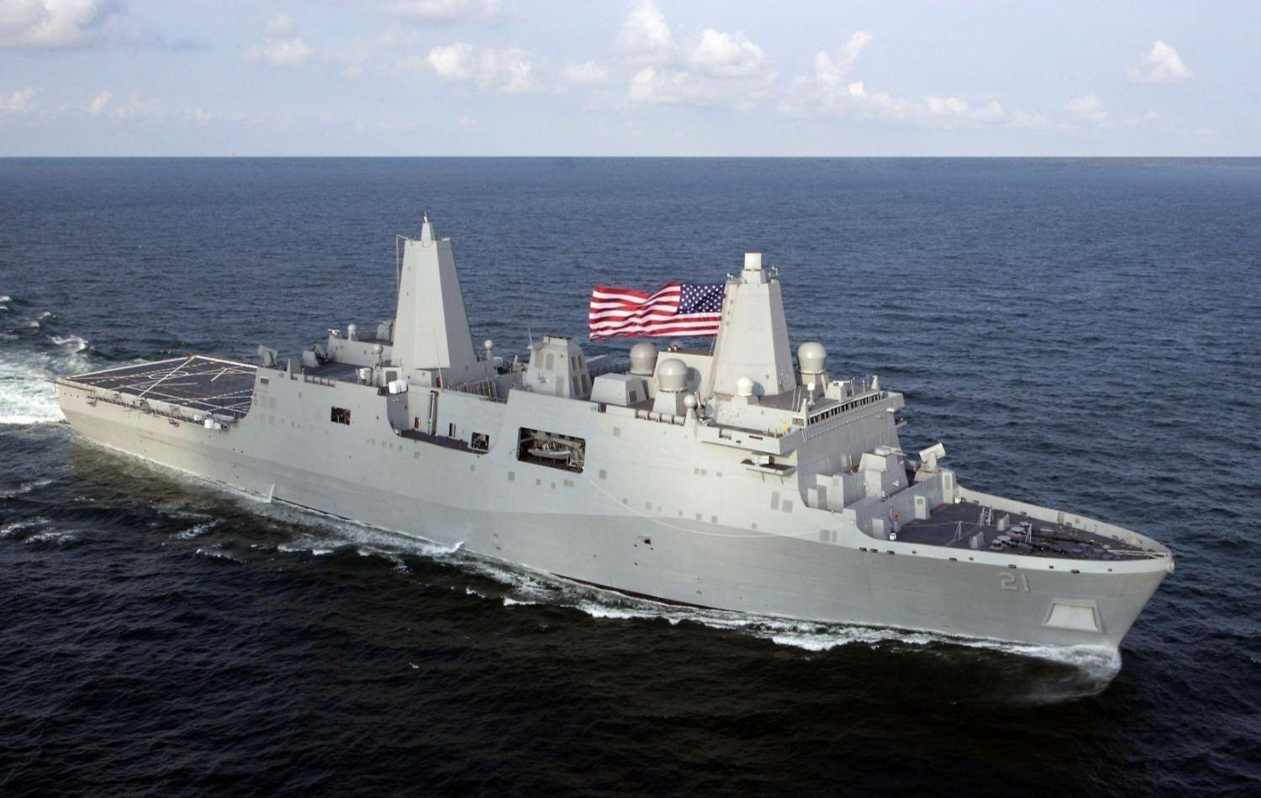
LPD 17 San Antonio Class Amphibious Transport Dock (LPD 17)
As of FY 2017 President's Budget
Defense Acquisition Management Information Retrieval
(DAMIR)

Table 25
Unit Cost History
Item |  |  |  | Date |  |  | BY 1996 $M |  |  |  |  |  | TY $M
 |  |  |  |  |  |  | PAUC |  |  | APUC |  |  | PAUC |  |  | APUC

Original APB |  |  | Jun 1996 |  |  |  | 751.508 |  |  |  | 744.950 |  |  | 896.817 |  |  | 890.333
APB as of January 2006 |  |  | Oct 2005 |  |  |  | 1079.600 |  |  |  | 1070.200 |  |  | 1283.233 |  |  | 1273.642
Revised Original APB |  |  | Oct 2005 |  |  |  | 1079.600 |  |  |  | 1070.200 |  |  | 1283.233 |  |  | 1273.642
Prior APB |  |  | Sep 2011 |  |  |  | 1314.400 |  |  |  | 1304.282 |  |  | 1711.636 |  |  | 1701.273
Current APB |  |  | Mar 2015 |  |  |  | 1282.708 |  |  |  | 1273.433 |  |  | 1744.292 |  |  | 1734.792
Prior Annual SAR |  |  | Dec 2014 |  |  |  | 1272.692 |  |  |  | 1263.017 |  |  | 1726.600 |  |  | 1716.592
Current Estimate |  |  | Dec 2015 |  |  |  | 1271.850 |  |  |  | 1262.175 |  |  | 1725.958 |  |  | 1715.950
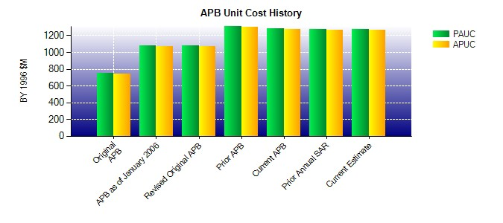
SAR Unit Cost History
Current SAR Baseline to Current Estimate (TY $M)
Initial PAUC Development Estimate | Changes |  |  |  |  |  |  |  |  |  |  |  |  |  | PAUC Current Estimate
 | Econ | Qty |  |  | Sch | Eng |  | Est | Oth |  |  | Spt | Total
896.817 85.308 -68.184 84.192 0.000 538.108 189.842 -0.125 829.141 1725.958
Current SAR Baseline to Current Estimate (TY $M)
Initial APUC Development Estimate | Changes |  |  |  |  |  |  |  |  |  |  |  |  |  | APUC Current Estimate
 | Econ | Qty |  |  | Sch | Eng |  | Est | Oth |  |  | Spt | Total
890.333 85.292 -68.183 83.683 0.000 535.108 189.842 -0.125 825.617 1715.950

